HOW TO
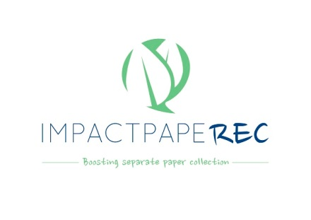
How to fill in this template

Important remarks
→ This template aims at getting a complete picture of the waste management system applied in your municipality, focusing on the paper and cardboard waste stream. Therefore please don't hesitate to be very descriptive and include all relevant information.
→ All information provided here will be kept confidential and only shared with the project partners of the IMPACTPapeRec project. For information that is foreseen for publishing we will request your agreement.
→ Please refer to the separate "Definitions" document in case some terms are not clear

Colour code

 | Fill in with data/information
 | Choose one option from the Dropdown list. You can see all lists in sheet 3 "Dropdown lists"
 | Don't fill in, it will get calculated automatically
 | Don't fill in

Abbreviations
PfR | Paper and cardboard for recycling (= Paper for Recycling = PfR)
km2 | Square kilometers
% | Percentage
t | Tonnes
kg | Kilogrammes
inh | Inhabitants
cap | Capita = person
y | Year
EPR | Extended Producer Responsibility
DtD | Door-to-Door collection
BB | Bring Bank
RY | Recycling Yard
RDF | Refuse-derived fuel
SRF | Solid recovered fuel / specified recovered fuel

